Sheet1
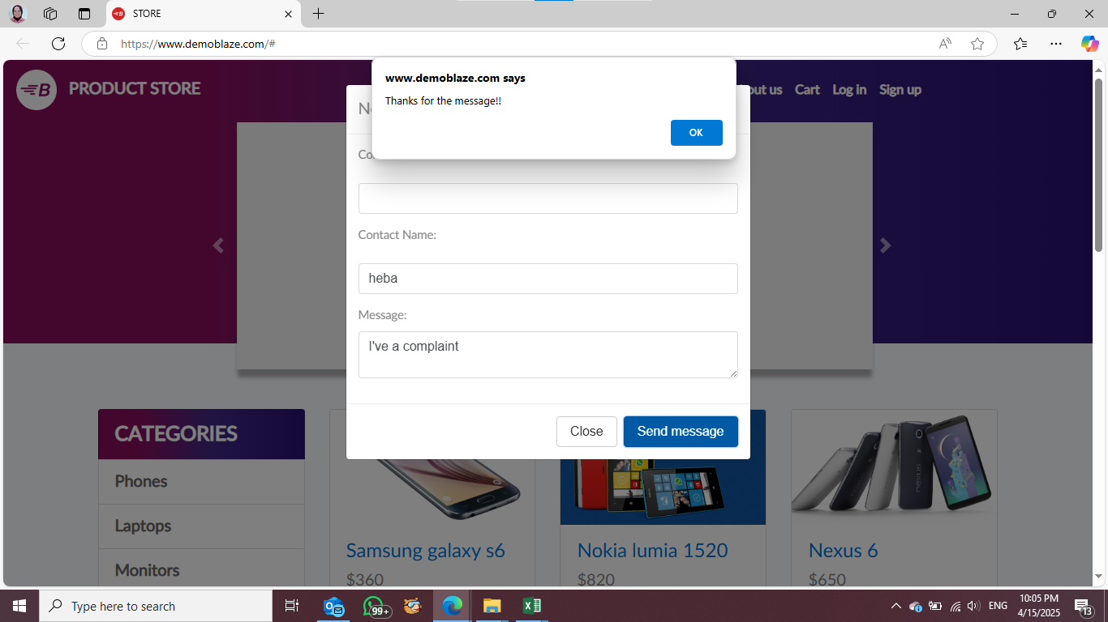
Bug Report: Empty Email Field (TC_CF_04)

Title: | Contact Form Allows Submission Without Email
Environment: | www.demoblaze.com
 | Windows 11
 | Microsoft Edge

severity | High

Steps to Reproduce: | 1. Navigate to the contact form.

 | 2. Leave the email field blank.

 | 3. Fill in other required fields.

 | 4. Click the “Send” button.

Expected Behavior: | The system should prevent submission and display an error message requiring a valid email.
Actual Behavior: | The form is submitted successfully without an email.
Screenshots/Videos:

